Graphs 5-9
Graph.5 | Graph.6
Month to month changes in the CPI
 | All Groups | Underlying
43040 | 0.0069097287751 | 0.0031043625914
43070 | -7.1929156451E-05 | -0.0051152657037
43101 | 0.0072038893482 | -0.011675048191
43132 | -0.0040839424524 | 0.0032925403759
43160 | -0.0062010861408 | -0.010764548018
43191 | 0.0062545456685 | -0.00035471966353
43221 | 0.019425639741 | 0.021498705146
43252 | 0.011293405319 | 0.026163151979
43282 | 0.010448145147 | -0.0041991913832
43313 | -0.0028196013777 | -0.0032345918871
43344 | -0.0061282441274 | -0.0090747305083
43374 | 0.0015919476884 | -0.0017949164633
43405 | -0.021775342639 | -0.020367591711
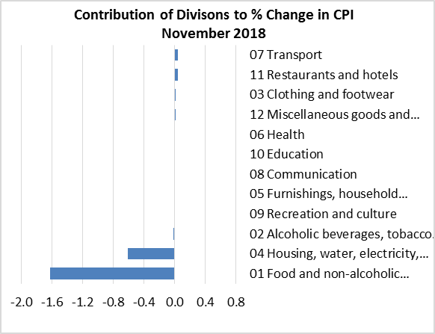

Graph.7 | Graph.8
Month to month changes in the CPI Local and Imported components
 | Local | Imported
43040 | 0.006114310289 | 0.0076323810291
43070 | 0.0040749162794 | -0.0038337381514
43101 | 0.020808620109 | -0.0052356166091
43132 | -0.0055136212851 | -0.0027424884995
43160 | -0.0017169448499 | -0.010396821556
43191 | 0.016771211297 | -0.0036720307248
43221 | 0.0095521041173 | 0.028936395735
43252 | -0.013738235855 | 0.034951070206
43282 | 0.020344562203 | 0.0015349601877
43313 | 0.0030128987861 | -0.008171284985
43344 | -0.0053967280888 | -0.0068070246366
43374 | 0.0040522727752 | -0.00069425246738
43405 | -0.024957772152 | -0.018804097483
All Divisions and Underlying Indices (February 2016 = 100)
 | All Groups | Underlying
43040 | 104.99064273 | 107.23679272
43070 | 104.98309084 | 106.68824803
43101 | 105.73937741 | 105.44265759
43132 | 105.30754388 | 105.7898318
43160 | 104.65452273 | 104.65105208
43191 | 105.30908922 | 104.61393029
43221 | 107.35478565 | 106.86299433
43252 | 108.56718676 | 109.65886709
43282 | 109.70151248 | 109.19838852
43313 | 109.39219795 | 108.8451763
43344 | 108.72181585 | 107.85743566
43374 | 108.8948953 | 107.66384057
43405 | 106.52367164 | 105.47098743

Month to Month a Year Earlier % Change in All Divisions, Imported and Local. (Dec 2015 - Nov 2018)
 | CPI | Local | Imported
42339 | -0.023193577163 | 0.014300223313 | -0.07675525367
42370 | 0.023360287511 | 0.093964008844 | -0.079757523898
42401 | -0.0081818181818 | 0.039610804915 | -0.076800979928
42430 | -0.0011239532667 | 0.042819898553 | -0.062543519658
42461 | -0.015320404508 | 0.02348432173 | -0.070569399482
42491 | 0.01171749329 | 0.048202720921 | -0.041857426455
42522 | 0.022513875306 | 0.029404061731 | -0.0006132460951
42552 | 0.024582593042 | 0.025800638725 | 0.016833008523
42583 | 0.032735400133 | 0.028152781387 | 0.022291957569
42614 | 0.040900595372 | 0.04890119924 | 0.016139409272
42644 | 0.013528821558 | 0.0032697530881 | 0.012309321345
42675 | 0.0056941022797 | -0.016485828406 | 0.017839103625
42705 | 0.0062221198872 | -0.021935613834 | 0.031036156738
42736 | -0.027676422638 | -0.071143233015 | 0.031938496014
42767 | 0.016442814914 | -0.016597702812 | 0.050191907414
42795 | 0.01391597847 | -0.028521786621 | 0.05742631491
42826 | 0.012728295192 | -0.026007580431 | 0.052358116367
42856 | 0.014505589879 | -0.013485146085 | 0.043076369684
42887 | 0.010215117699 | -0.0093222446842 | 0.029283172826
42917 | -1.2319114782E-06 | -0.026547063632 | 0.026337712028
42948 | 0.025837114078 | 0.016655273244 | 0.034642396236
42979 | 0.022589681845 | -0.0025640538378 | 0.047128048743
43009 | 0.037340762727 | 0.007721797252 | 0.065801035104
43040 | 0.047803627411 | 0.025875071517 | 0.06852308379
43070 | 0.039527842822 | 0.018058751355 | 0.059966201822
43101 | 0.041662329353 | 0.025477803976 | 0.057319644272
43132 | 0.036040024449 | 0.024400100163 | 0.047173428276
43160 | 0.036192132973 | 0.03729613152 | 0.035152233422
43191 | 0.045493001694 | 0.054696462128 | 0.036778312424
43221 | 0.055617939505 | 0.044226748736 | 0.066614691318
43252 | 0.057818064742 | 0.034874291332 | 0.079370822638
43282 | 0.060971233171 | 0.047144360536 | 0.073983430953
43313 | 0.048912705657 | 0.040594158533 | 0.056751412911
43344 | 0.049315934438 | 0.049307630812 | 0.049323650508
43374 | 0.044353350307 | 0.059288034572 | 0.030784916288
43405 | 0.014601576559 | 0.02657377457 | 0.0037410024521
Graph.9

