Graphs
Graph.1 | Graph.2
Month to month changes in the CPI
 | All Groups | Underlying
42614 | -0.0033551469338 | -0.0022007095302
42644 | -0.0079590712789 | -8.7764953284E-05
42675 | -0.003144789043 | 8.4658877064E-05
42705 | 0.0078885977077 | -0.0020410983243
42736 | 0.0051400121447 | -0.0026416650638
42767 | 0.0013206206935 | 0.002631615841
42795 | -0.0063469715232 | -0.0057672708045
42826 | -0.0026972516312 | -0.0004830350226
42856 | 0.009647839631 | -0.0058502205273
42887 | 0.0091900453777 | 0.0067249808757
42917 | 0.0074451295213 | 0.016865345657
42948 | 0.008644200337 | 0.0084014172046
42979 | -0.0065101669432 | 0.010073884758
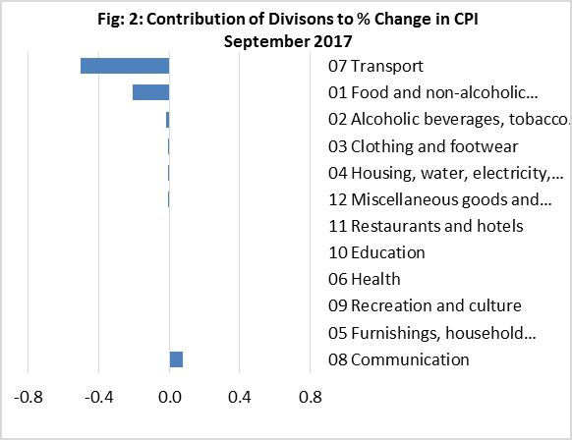

Graph.3 | Graph.4
Month to month changes in the CPI Local and Imported components
 | Local | Imported
42614 | 0.0053496663587 | -0.011702965041
42644 | -0.015559548241 | -0.00054453474006
42675 | -0.011689289314 | 0.0050654506176
42705 | 0.011783873156 | 0.004208100455
42736 | 0.013423347761 | -0.002745639994
42767 | -0.0044673877263 | 0.0069200849026
42795 | -0.014127951882 | 0.0010954133559
42826 | -3.4303785827E-06 | -0.0052346675687
42856 | 0.019674159693 | 0.00015399060751
42887 | -0.0048251038774 | 0.022719896744
42917 | 0.0083885236073 | 0.0065589307269
42948 | 0.0093265389744 | 0.0080020648708
42979 | -0.01365593424 | 0.00022341009893
All Divisions and Underlying Indices (February 2016 = 100)
 | All Groups | Underlying
42614 | 101.32322936 | 102.65178196
42644 | 100.51679055 | 102.66047235
42675 | 100.20068645 | 102.45093223
42705 | 100.99112936 | 102.18029118
42736 | 101.51022499 | 102.44919046
42767 | 101.64428149 | 101.85833823
42795 | 100.99914813 | 101.80913709
42826 | 100.72672801 | 101.21353118
42856 | 101.69852333 | 101.89419024
42887 | 102.63313738 | 103.61267098
42917 | 103.39725438 | 104.48316426
42948 | 104.29104096 | 105.53571561
42979 | 103.61208887 | 105.56548255

Month to Month a Year Earlier % Change in All Divisions, Imported and Local. (Oct 2014-Sep 2017)
 | CPI | Local | Imported
41914 | 0.028275212064 | 0.036460838433 | 0.018252055449
41945 | 0.037037037037 | 0.052377729983 | 0.015820749348
41975 | 0.057547169811 | 0.097568323706 | 0.0042272975918
42006 | 0.038246268657 | 0.07053099893 | -0.0040410940709
42037 | 0.030927835052 | 0.068178690233 | -0.019084719859
42065 | 0.0036900369004 | 0.033355673514 | -0.037486625307
42096 | 0.027985074627 | 0.065868952275 | -0.023011927782
42125 | 0.0065176908752 | 0.040841917402 | -0.040712137829
42156 | 0.0037037037037 | 0.05226408714 | -0.061681227035
42186 | 0.023234200743 | 0.096793594603 | -0.07507675841
42217 | 0 | 0.066388930463 | -0.085655922434
42248 | -0.009328358209 | 0.051058421639 | -0.089223966641
42278 | -0.0082493125573 | 0.046388494148 | -0.082450718725
42309 | -0.0045787545788 | 0.050793413858 | -0.078119603847
42339 | -0.023193577163 | 0.014300223313 | -0.07675525367
42370 | 0.023360287511 | 0.093964008844 | -0.079757523898
42401 | -0.0081818181818 | 0.039610804915 | -0.076800979928
42430 | -0.0011239532667 | 0.042819898553 | -0.062543519658
42461 | -0.015320404508 | 0.02348432173 | -0.070569399482
42491 | 0.01171749329 | 0.048202720921 | -0.041857426455
42522 | 0.022513875306 | 0.029404061731 | -0.0006132460951
42552 | 0.024582593042 | 0.025800638725 | 0.016833008523
42583 | 0.032735400133 | 0.028152781387 | 0.022291957569
42614 | 0.040900595372 | 0.04890119924 | 0.016139409272
42644 | 0.013528821558 | 0.0032697530881 | 0.012309321345
42675 | 0.0056941022797 | -0.016485828406 | 0.017839103625
42705 | 0.0062221198872 | -0.021935613834 | 0.031036156738
42736 | -0.027676422638 | -0.071143233015 | 0.031938496014
42767 | 0.016442814914 | -0.016597702812 | 0.050191907414
42795 | 0.01391597847 | -0.028521786621 | 0.05742631491
42826 | 0.012728295192 | -0.026007580431 | 0.052358116367
42856 | 0.014505589879 | -0.013485146085 | 0.043076369684
42887 | 0.010215117699 | -0.0093222446842 | 0.029283172826
42917 | -1.2319114782E-06 | -0.026547063632 | 0.026337712028
42948 | 0.025837114078 | 0.016655273244 | 0.034642396236
42979 | 0.022589681845 | -0.0025640538378 | 0.047128048743
Graph.5

