Graphs
Graph.1 | Graph.2
Month to month changes in the CPI
 | All Groups | Underlying
Apr-17 | -0.3% | -0.6%
May-17 | 1.0% | 0.7%
Jun-17 | 0.9% | 1.7%
Jul-17 | 0.7% | 0.8%
Aug-17 | 0.9% | 1.0%
Sep-17 | -0.7% | 0.0%
Oct-17 | 0.6% | 1.3%
Nov-17 | 0.7% | 0.3%
Dec-17 | -0.4% | -1.2%
Jan-18 | 1.2% | -0.4%
Feb-18 | -0.4% | 0.3%
Mar-18 | -0.6% | -1.1%
Apr-18 | 0.6% | 0.0%
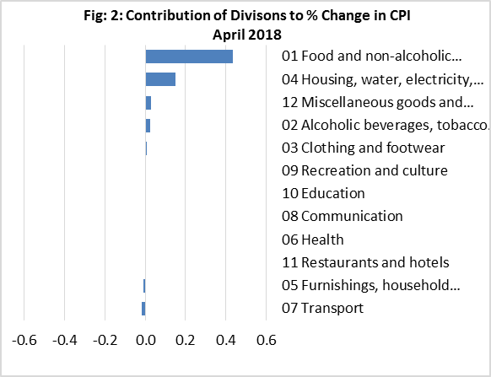

Graph.3 | Graph.4
Month to month changes in the CPI Local and Imported components
 | Local | Imported
Apr-17 | 0.0% | -0.5%
May-17 | 2.0% | 0.0%
Jun-17 | -0.5% | 2.3%
Jul-17 | 0.8% | 0.7%
Aug-17 | 0.9% | 0.8%
Sep-17 | -1.4% | 0.0%
Oct-17 | -0.5% | 1.7%
Nov-17 | 0.6% | 0.8%
Dec-17 | -0.5% | -0.4%
Jan-18 | 3.0% | -0.5%
Feb-18 | -0.6% | -0.3%
Mar-18 | -0.2% | -1.0%
Apr-18 | 1.7% | -0.4%
All Divisions and Underlying Indices (February 2016 = 100)
 | All Groups | Underlying
Apr-17 | 100.7 | 101.2
May-17 | 101.7 | 101.9
Jun-17 | 102.6 | 103.6
Jul-17 | 103.4 | 104.5
Aug-17 | 104.3 | 105.5
Sep-17 | 103.6 | 105.6
Oct-17 | 104.3 | 106.9
Nov-17 | 105.0 | 107.2
Dec-17 | 104.5 | 105.9
Jan-18 | 105.7 | 105.4
Feb-18 | 105.3 | 105.8
Mar-18 | 104.7 | 104.7
Apr-18 | 105.3 | 104.6

Month to Month a Year Earlier % Change in All Divisions, Imported and Local. (May 2015 - Apr 2018)
 | CPI | Local | Imported
May-15 | 0.7% | 4.1% | -4.1%
Jun-15 | 0.4% | 5.2% | -6.2%
Jul-15 | 2.3% | 9.7% | -7.5%
Aug-15 | 0.0% | 6.6% | -8.6%
Sep-15 | -0.9% | 5.1% | -8.9%
Oct-15 | -0.8% | 4.6% | -8.2%
Nov-15 | -0.5% | 5.1% | -7.8%
Dec-15 | -2.3% | 1.4% | -7.7%
Jan-16 | 2.3% | 9.4% | -8.0%
Feb-16 | -0.8% | 4.0% | -7.7%
Mar-16 | -0.1% | 4.3% | -6.3%
Apr-16 | -1.5% | 2.3% | -7.1%
May-16 | 1.2% | 4.8% | -4.2%
Jun-16 | 2.3% | 2.9% | -0.1%
Jul-16 | 2.5% | 2.6% | 1.7%
Aug-16 | 3.3% | 2.8% | 2.2%
Sep-16 | 4.1% | 4.9% | 1.6%
Oct-16 | 1.4% | 0.3% | 1.2%
Nov-16 | 0.6% | -1.6% | 1.8%
Dec-16 | 0.6% | -2.2% | 3.1%
Jan-17 | -2.8% | -7.1% | 3.2%
Feb-17 | 1.6% | -1.7% | 5.0%
Mar-17 | 1.4% | -2.9% | 5.7%
Apr-17 | 1.3% | -2.6% | 5.2%
May-17 | 1.5% | -1.3% | 4.3%
Jun-17 | 1.0% | -0.9% | 2.9%
Jul-17 | 0.0% | -2.7% | 2.6%
Aug-17 | 2.6% | 1.7% | 3.5%
Sep-17 | 2.3% | -0.3% | 4.7%
Oct-17 | 3.7% | 0.8% | 6.6%
Nov-17 | 4.8% | 2.6% | 6.9%
Dec-17 | 3.5% | 0.9% | 6.0%
Jan-18 | 4.2% | 2.5% | 5.7%
Feb-18 | 3.6% | 2.4% | 4.7%
Mar-18 | 3.6% | 3.7% | 3.5%
Apr-18 | 4.5% | 5.5% | 3.7%
Graph.5

