10 Graphs
Graph.1 | Graph.2
Month to month changes in the CPI
 | All Groups | Underlying
42430 | -0.0038706335052 | 0.0020625756575
42461 | -0.0015276587572 | 0.0043512694578
42491 | 0.0078790551522 | -0.0016895488771
42522 | 0.013476163986 | 0.02792733854
42552 | 0.017737553857 | -0.0037853828421
42583 | -0.016761097903 | -0.0022007095302
42614 | -0.0033551469338 | -8.7764953284E-05
42644 | -0.0079590712789 | 8.4658877064E-05
42675 | -0.003144789043 | -0.0020410983243
42705 | 0.0078885977077 | -0.0026416650638
42736 | 0.0051400121447 | 0.002631615841
42767 | 0.0013206206935 | -0.0057672708045
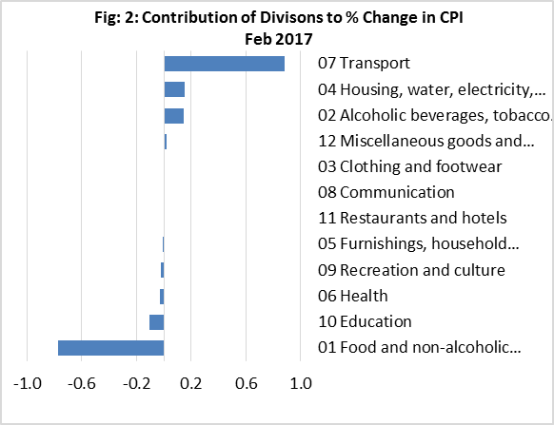

Graph.3 | Graph.4
Month to month changes in the CPI Local and Imported components
 | Local | Imported
42430 | -0.0020271957718 | -0.0057536049253
42461 | -0.0025847621372 | -0.00044383816449
42491 | 0.0067308140678 | 0.0090537953152
42522 | -0.0090069025979 | 0.036425140587
42552 | 0.026231512312 | 0.0094476288978
42583 | -0.033564366431 | -8.8787447154E-05
42614 | 0.0053496663587 | -0.011702965041
42644 | -0.015559548241 | -0.00054453474006
42675 | -0.011689289314 | 0.0050654506176
42705 | 0.011783873156 | 0.004208100455
42736 | 0.013423347761 | -0.002745639994
42767 | -0.0044673877263 | 0.0069200849026
All Divisions and Underlying Indices (February 2016 = 100)
 | All Groups | Underlying
42430 | 99.612936649 | 100.20625757
42461 | 99.460762074 | 100.64228199
42491 | 100.2444189 | 100.47224194
42522 | 101.59532913 | 103.27816425
42552 | 103.39738175 | 102.88721686
42583 | 101.66432812 | 102.66079198
42614 | 101.32322936 | 102.65178196
42644 | 100.51679055 | 102.66047235
42675 | 100.20068645 | 102.45093223
42705 | 100.99112936 | 102.18029118
42736 | 101.51022499 | 102.44919046
42767 | 101.64428149 | 101.85833823

Month to Month a Year Earlier % Change in All Divisions, Imported and Local. (Mar 2014-Feb 2017)
 | CPI | Local | Imported
41700 | -0.027802690583 | -0.050695691214 | 0.0048395956554
41731 | -0.02633969119 | -0.047631421605 | 0.0023895584713
41761 | -0.016483516484 | -0.029173094111 | 0.00071895044401
41792 | 0.0018552875696 | -0.0092339439126 | 0.017779656191
41822 | -0.00092850510678 | -0.011820029455 | 0.01300973341
41853 | 0.0018656716418 | -0.012491124538 | 0.019473872732
41884 | -0.0027906976744 | -0.013824263709 | 0.013585175824
41914 | 0.028275212064 | 0.036460838433 | 0.018252055449
41945 | 0.037037037037 | 0.052377729983 | 0.015820749348
41975 | 0.057547169811 | 0.097568323706 | 0.0042272975918
42006 | 0.038246268657 | 0.07053099893 | -0.0040410940709
42037 | 0.030927835052 | 0.068178690233 | -0.019084719859
42065 | 0.0036900369004 | 0.033355673514 | -0.037486625307
42096 | 0.027985074627 | 0.065868952275 | -0.023011927782
42125 | 0.0065176908752 | 0.040841917402 | -0.040712137829
42156 | 0.0037037037037 | 0.05226408714 | -0.061681227035
42186 | 0.023234200743 | 0.096793594603 | -0.07507675841
42217 | 0 | 0.066388930463 | -0.085655922434
42248 | -0.009328358209 | 0.051058421639 | -0.089223966641
42278 | -0.0082493125573 | 0.046388494148 | -0.082450718725
42309 | -0.0045787545788 | 0.050793413858 | -0.078119603847
42339 | -0.023193577163 | 0.014300223313 | -0.07675525367
42370 | 0.023360287511 | 0.093964008844 | -0.079757523898
42401 | -0.0081818181818 | 0.039610804915 | -0.076800979928
42430 | -0.0011239532667 | 0.042819898553 | -0.062543519658
42461 | -0.015320404508 | 0.02348432173 | -0.070569399482
42491 | 0.01171749329 | 0.048202720921 | -0.041857426455
42522 | 0.022513875306 | 0.029404061731 | -0.0006132460951
42552 | 0.024582593042 | 0.025800638725 | 0.016833008523
42583 | 0.032735400133 | 0.028152781387 | 0.022291957569
42614 | 0.040900595372 | 0.04890119924 | 0.016139409272
42644 | 0.013528821558 | 0.0032697530881 | 0.012309321345
42675 | 0.0056941022797 | -0.016485828406 | 0.017839103625
42705 | 0.0062221198872 | -0.021935613834 | 0.031036156738
42736 | -0.027676422638 | -0.071143233015 | 0.031938496014
42767 | 0.016442814914 | -0.016597702812 | 0.050191907414
Graph.5

